Sheet 1
 |  |  |  | DETAILED SPREADSHEET REPORT DATE: Mar 18, 2022 |  |  |  |  |  |  | CLAIM ID: |  | CL839K9-C |  |  |  | TYPE OF LOSS: |  |  | Water
 |  |  |  |  |  |  |  |  |  |  | CLAIM DATE: |  | 2022-03-14 |  |  |  | CAT Code:
 |  |  |  |  |  |  |  |  |  |  | INSURED: |  | Rusty Shackleford

ROOM | BOX | LOCATION | ITEM PHOTO | ITEM DESCRIPTION | BRAND | DISPOSITION | CONDITION | QTY | DATA TAG PHOTO | MODEL # | SERIAL # | RECEIPT PHOTO | RETAILER | REPLACEMENT SOURCE | PURCHASE PRICE |  | AGE |  | REPLACEMENT VALUE |  | DEPRECIATION |  |  | ACTUAL CASH VALUE |  | NOTES
 |  |  |  |  |  |  |  |  |  |  |  |  |  |  | EACH | TOTAL | Y | M | EACH | TOTAL | CATEGORY | % | AMOUNT | EACH | TOTAL
Living Room | SH 1 | Job Site (Returned to Customer) | 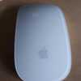 | Magic Mouse | Apple | Restorable |  | 1 |  |  |  |  |  |  |  |  | 0 | 0
Living Room | SH 1 | Job Site (Returned to Customer) | 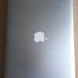 | MacBook Air | Apple | Restorable |  | 1 | 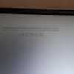 | A1466 | FVWW6GMJ1WL |  |  |  |  |  | 0 | 0 |  |  |  |  |  |  |  | Assessment Item was determined to be restorable upon closer inspection. Pre-existing damage Scuff marks on both back edges of the laptop
Living Room | SH 2 | Job Site (Returned to Customer) | 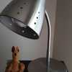 | IKEA Desk Lamp Silver |  | Restorable |  | 1 |  |  |  |  |  |  |  |  | 0 | 0 |  |  |  |  |  |  |  | Pre-existing damage Where and tear on the top of the lamp￼
Living Room | Tag 1 | Job Site (Returned to Customer) | 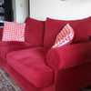 | Flair Design Sofa |  | Restorable |  | 1 |  |  |  |  |  |  |  |  | 0 | 0 |  |  |  |  |  |  |  | Pre-existing damage Tear in the fabric on the left cushion
Living Room | SH 3 | Job Site (Returned to Customer) | 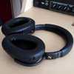 | Sennheiser PCX 550-ii Headphones |  | Restorable |  | 1 |  |  |  |  |  |  |  |  | 0 | 0
Living Room |  |  | 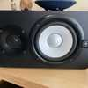 | Yamaha Speaker |  | Non-Restorable |  | 1 |  |  |  |  |  |  |  |  | 0 | 0
Living Room |  |  | 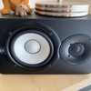 | Yamaha Speaker |  | Non-Restorable |  | 1 |  |  |  |  |  |  |  |  | 0 | 0
Living Room | SH 4 | Job Site (Returned to Customer) |  | HP Computer Monitor |  | Restorable |  | 1 |  |  |  |  |  |  |  |  | 0 | 0
Living Room | Tag 2 | Job Site (Returned to Customer) | 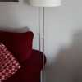 | IKEA Standing Lamp |  | Restorable |  | 1 |  |  |  |  |  |  |  |  | 0 | 0
Living Room | SH 2 | Job Site (Returned to Customer) | 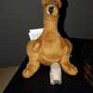 | Kangaroo Plush Toy |  | Restorable |  | 1 |  |  |  |  |  |  |  |  | 0 | 0
Living Room | SH 2 | Job Site (Returned to Customer) | 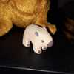 | Clay Animal Figurine |  | Restorable |  | 1 |  |  |  |  |  |  |  |  | 0 | 0 |  |  |  |  |  |  |  | Sentimental item Client got this item on a trip to Australia
Living Room |  |  | 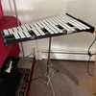 | Pearl Glockenspiel |  | Non-Restorable |  | 1 | 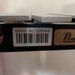 |  | 20265844 |  |  |  |  |  | 0 | 0
Living Room |  |  | 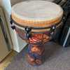 | Remo Djembe Drum |  | Non-Restorable |  | 1 |  |  |  |  |  |  |  |  | 0 | 0
Living Room |  |  | 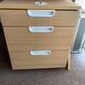 | IKEA Rolling Cabinet |  | Non-Restorable |  | 1 |  |  |  |  |  |  |  |  | 0 | 0
Living Room |  |  | 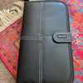 | Memorex CD Case |  | Non-Restorable |  | 1 |  |  |  |  |  |  |  |  | 0 | 0
Living Room |  |  | 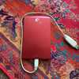 | Seagate 640GB Portable Hard Drive |  | Non-Restorable |  | 1 | 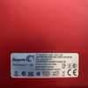 | 9LE2AT-500 | 2GE40ETP |  |  |  |  |  | 0 | 0
Living Room |  |  | 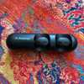 | Avantree Bluetooth Earbuds |  | Non-Restorable |  | 1 | 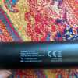 | BYHS-TWS110 | 2AITF-BTHS-TWS110 |  |  |  |  |  | 0 | 0
Living Room |  |  | 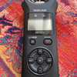 | Tascam Linear PCM Recorder |  | Non-Restorable |  | 1 | 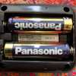 | DR-07X | 1941913 |  |  |  |  |  | 0 | 0
Living Room |  |  | 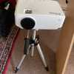 | Jinhoo Mini Projector |  | Non-Restorable |  | 1 |  |  |  |  |  |  |  |  | 0 | 0
Living Room |  |  | 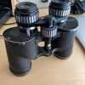 | Carl Wetzlar Binoculars |  | Non-Restorable |  | 1 | 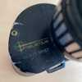 | 7-14X35 | 073 3157 |  |  |  |  |  | 0 | 0 |  |  |  |  |  |  |  | Model # Poor condition / aged item
Kitchen | MB 1 | Vault 1 | 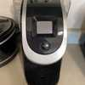 | Kuerig Machine |  | Restorable |  | 1 |  |  |  |  |  |  |  |  | 0 | 0
Kitchen |  |  | 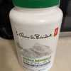 | Protein Powder |  | Non-Restorable |  | 1 |  |  |  |  |  |  |  |  | 0 | 0
Kitchen | MB 2 | Vault 1 | 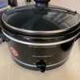 | Hamilton Beach Slow Cooker |  | Restorable |  | 1 |  |  |  |  |  |  |  |  | 0 | 0
Kitchen | MB 2 | Vault 1 | 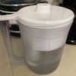 | Brita Water Filter |  | Restorable |  | 1 |  |  |  |  |  |  |  |  | 0 | 0
Kitchen | MB 3 | Vault 1 | 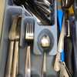 | Silverware |  | Restorable |  | 1 |  |  |  |  |  |  |  |  | 0 | 0
Kitchen | MB 3 | Vault 1 | 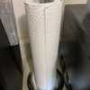 | Paper Towel Holder |  | Restorable |  | 1 |  |  |  |  |  |  |  |  | 0 | 0
Kitchen | MB 4 | Vault 1 | 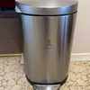 | Trash can |  | Restorable |  | 1 |  |  |  |  |  |  |  |  | 0 | 0 |  |  |  |  |  |  |  | Pre-existing damage Streaks and stains
Kitchen | MB 5 | Vault 1 | 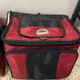 | Escort Lunch Box |  | Restorable |  | 1 |  |  |  |  |  |  |  |  | 0 | 0
Kitchen | MB 5 | Vault 1 | 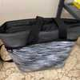 | Thermos Lunch Bag |  | Restorable |  | 1 |  |  |  |  |  |  |  |  | 0 | 0
Kitchen | Tag 3 | Job Site (Returned to Customer) | 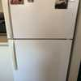 | Frigidaire Fridge |  | To Be Assessed |  | 1 |  |  |  |  |  |  |  |  | 0 | 0 |  |  |  |  |  |  |  | Assessment Item was determined to be non-restorable upon closer inspection.
Kitchen | MB 6 | Vault 1 | 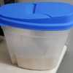 | Container |  | Restorable |  | 1 |  |  |  |  |  |  |  |  | 0 | 0
Kitchen | MB 6 | Vault 1 | 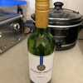 | Jackson Griggs Merlot |  | Restorable |  | 1 |  |  |  |  |  |  |  |  | 0 | 0
Kitchen | MB 6 | Vault 1 | 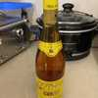 | Gothari Wine |  | Restorable |  | 1 |  |  |  |  |  |  |  |  | 0 | 0
Kitchen |  |  | 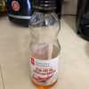 | Chili Oil |  | Non-Restorable |  | 1 |  |  |  |  |  |  |  |  | 0 | 0
Kitchen |  |  | 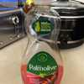 | Palmolive Dish Soap |  | Non-Restorable |  | 1 |  |  |  |  |  |  |  |  | 0 | 0
Kitchen |  |  | 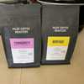 | Pilot Coffee Roasters Coffee |  | Non-Restorable |  | 1 |  |  |  |  |  |  |  |  | 0 | 0

 |  |  |  |  |  |  |  |  |  |  |  |  |  |  |  |  |  |  | Total:

